Introduction
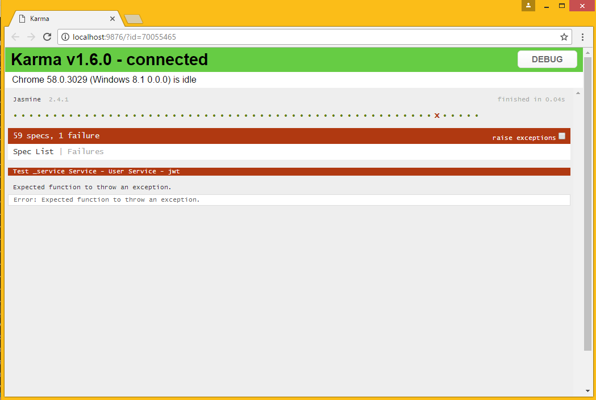
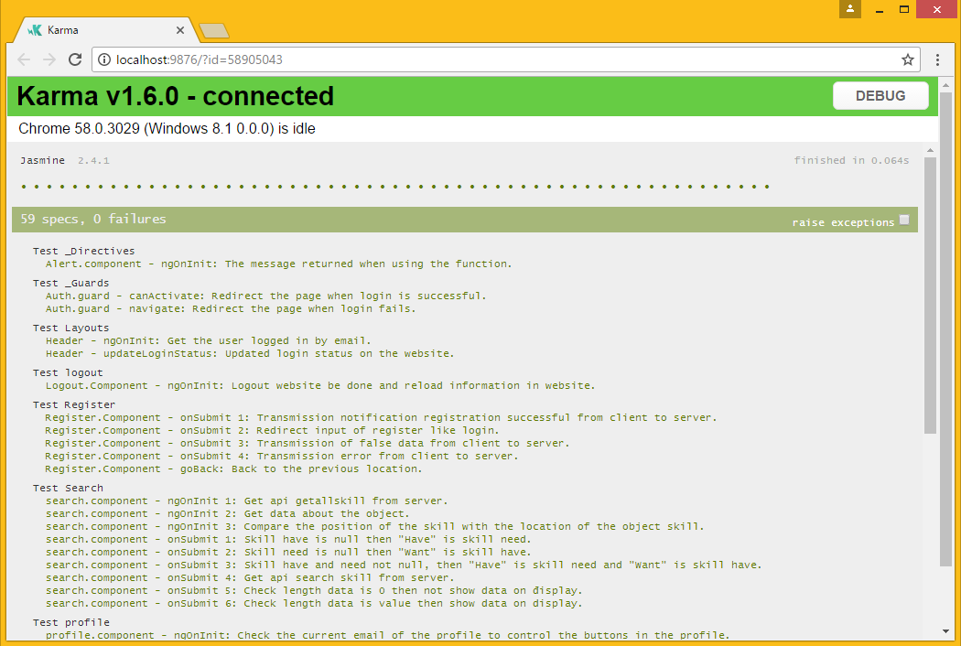
 |  |  | REPORT UNIT TEST
Date: | 18/4/2017
Author: | TaiNguyen
Date update
Sprint | 4

 | Rule name file | UT + name folder test.spec.ts
 | Rule name testcase | Name file test - jaw test

Summary
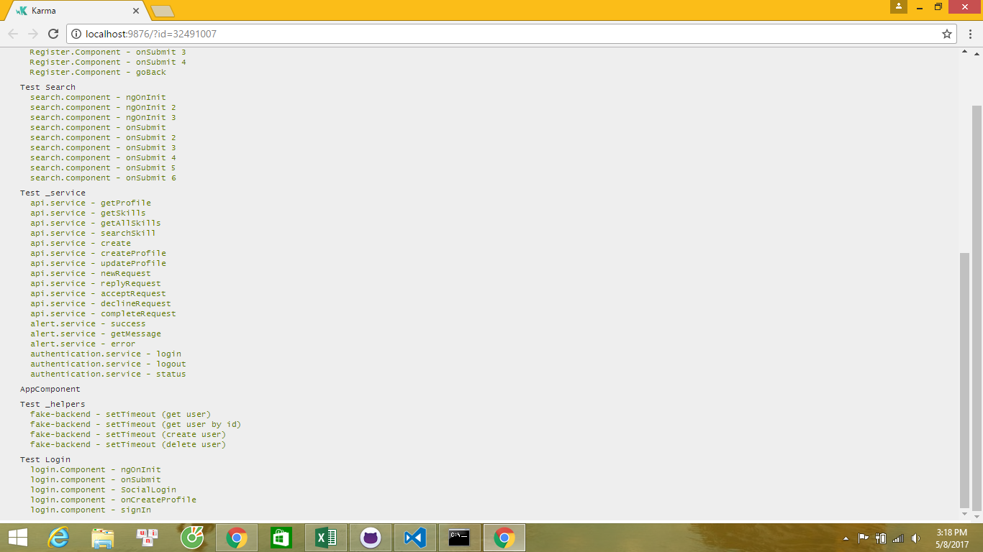
 |  |  |  | SUMMARY

Sprint 4
USER

Number | Name Folder | Test V2
 |  | Pass | Fail
1 | _Directives | 1 | 0
2 | _Guards | 2 | 0
3 | Layouts | 2 | 0
4 | Logout | 1 | 0
5 | Login | 5 | 0
6 | Profile | 10 | 2
7 | Search | 5 | 2
8 | Register | 5 | 1
9 | Service | 12 | 2
10 | Helper | 4 | 0
Total : |  | 47 | 7

 |  |  |  |  | Pass | Fail

